INC
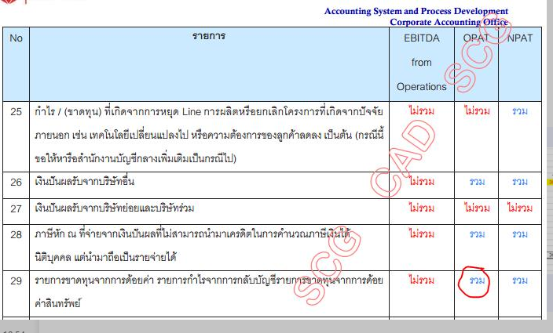
 | Thai Containers Business
 | Income Statement
 | Actual 2022
 |  |  |  |  |  |  |  |  |  |  |  |  |  | (Thousand Baht)
 |  | 1 | 2 | 3 | 4 | 5 | 6 | 7 | 8 | 9 | 10 | 11 | 12 | 19
 |  | Jan | Feb | Mar | Apr | May | Jun | Jul | Aug | Sep | Oct | Nov | Dec | Total

1 | Net Sales | 3,244,227 | 3,010,044 | 3,603,471 | 3,062,280 | 3,245,917 | 3,510,411 | 3,324,972 | 3,344,830 | 3,201,463 | 3,143,596 | 3,205,894 | 2,831,844 | 38,728,950
2 | Selling Expenses | (142,049) | (134,007) | (161,917) | (135,162) | (146,049) | (163,941) | (161,261) | (150,959) | (147,168) | (145,283) | (143,786) | (126,894) | (1,758,476)
3 | Net Revenue | 3,102,177 | 2,876,037 | 3,441,554 | 2,927,118 | 3,099,868 | 3,346,470 | 3,163,711 | 3,193,872 | 3,054,295 | 2,998,313 | 3,062,109 | 2,704,951 | 36,970,474
4 | Cost of Goods Sold | (2,873,091) | (2,696,272) | (3,173,461) | (2,732,163) | (2,844,072) | (3,070,768) | (2,935,721) | (2,942,523) | (2,799,757) | (2,744,722) | (2,765,846) | (2,489,545) | (34,067,942)
5 | Gross Profit | 229,086 | 179,765 | 268,092 | 194,955 | 255,796 | 275,702 | 227,990 | 251,349 | 254,538 | 253,590 | 296,263 | 215,406 | 2,902,532
6 | General Admin Expenses | (151,174) | (156,569) | (155,469) | (157,733) | (154,115) | (161,810) | (162,036) | (168,875) | (122,156) | (148,310) | (135,115) | (98,055) | (1,771,417)
7 | Extraordinary Income (Expenses) | 3,301 | 8,701 | 13,202 | 68,416 | 8,286 | 7,762 | 10,275 | 90,499 | (2,480) | 4,579 | 6,798 | 32,777 | 252,116
8 | Net Profit Before Interest | 81,213 | 31,897 | 125,826 | 105,638 | 109,967 | 121,653 | 76,229 | 172,973 | 129,901 | 109,859 | 167,946 | 150,128 | 1,383,231
9 | Interest & Financial Expenses | (18,194) | (17,409) | (18,691) | (18,478) | (18,646) | (15,237) | (15,862) | (18,498) | (18,600) | (19,698) | (18,447) | (20,149) | (217,910)
10 | Net Profit Before Foreign Exchange | 63,020 | 14,489 | 107,134 | 87,160 | 91,321 | 106,416 | 60,366 | 154,475 | 111,301 | 90,161 | 149,499 | 129,979 | 1,165,320
11 | Gain / (Loss) on Foreign Exchange | 1,753 | (3,330) | 1,408 | 6,973 | 2,817 | 5,652 | 18,574 | (8,593) | 12,152 | 13,828 | (2,933) | (10,117) | 38,183
12 | Net Profit Before Income Tax | 64,772 | 11,159 | 108,542 | 94,133 | 94,138 | 112,067 | 78,940 | 145,882 | 123,453 | 103,989 | 146,566 | 119,861 | 1,203,504
13 | Income Tax | (8,567) | (6,390) | (17,480) | (12,155) | (16,127) | (18,481) | (8,772) | (10,602) | (12,445) | (20,411) | (27,949) | (37,828) | (197,208)
14 | Net Profit After Income Tax | 56,206 | 4,769 | 91,062 | 81,978 | 78,011 | 93,586 | 70,168 | 135,280 | 111,008 | 83,578 | 118,617 | 82,034 | 1,006,296
15 | Tonnage Sale | 93,536 | 86,387 | 102,552 | 85,375 | 88,547 | 93,802 | 85,713 | 85,621 | 81,629 | 80,448 | 85,049 | 76,545 | 1,045,205
16 | Tonnage Production | 93,599 | 87,612 | 104,783 | 85,496 | 90,958 | 95,017 | 87,459 | 87,409 | 82,171 | 81,849 | 85,254 | 77,802 | 1,059,409
17 | Unit Selling Price (Baht/Ton) | 35,914 | 36,261 | 36,399 | 36,901 | 37,916 | 38,681 | 40,007 | 40,272 | 40,481 | 40,381 | 39,027 | 38,300 | 38,320
18 | Return on Net Sales (%) | 1.7 | 0.2 | 2.5 | 2.7 | 2.4 | 2.7 | 2.1 | 4.0 | 3.5 | 2.7 | 3.7 | 2.9 | 2.6
19 | EBITDA | 177,748 | 120,311 | 218,878 | 147,747 | 206,127 | 234,840 | 208,148 | 175,421 | 246,903 | 238,242 | 265,713 | 222,041 | 2,462,120
20 | Free Cash Flow | 5.5 | 4.0 | 6.1 | 4.8 | 6.4 | 6.7 | 6.3 | 5.2 | 7.7 | 7.6 | 8.3 | 7.8 | 6.4
21 | Debt Repayment | - | - | - | - | - | - | - | - | - | - | - | - | -
 |  | 0 | (0) | (0) | 63,238 | 0 | 0 | (0) | 0 | (0) | (0) | 0 | - | 63,238

 | Check % Tax | (13) | (57) | (16) | (13) | (17) | (16) | (11) | (7) | (10) | (20) | (19) | (32)

 | NCI | (2,310) | (996) | (4,394) | (3,256) | (1,995) | (4,886) | (1,004) | (6,250) | (8,686) | (2,286) | (7,266) | (7,157)
NPAT | Profit After NCI = Income | 53,896 | 3,772 | 86,668 | 15,485 | 76,016 | 88,700 | 69,165 | 129,030 | 102,321 | 81,292 | 111,351 | 74,877
- TCGSS Claim Intention |  |  |  | (10,619) |  |  |  |  |  |  |  |  | (4,335) |  | + คชจ - รายได้
- Claim Insurance -PPC
- Operation TCGS
- Extra : Ceased Operation (TCGS/TUP)
- Extra : Gain from selling of land right (TCGS)
- G/(L) FX from investment - Earn Out |  |  | (513) | 49 | (786) | (566) | (1,566) | 150 | (86,655)
- GA : Transaction Cost / Consultant Fee Project |  |  |  |  |  |  |  |  | (289)
- Extra : Employee Transfer from TCG/TPC/SKIC to SCGP |  |  |  |  |  |  |  |  |  | (850)
- SALE FA excl OA |  |  |  |  |  |  |  |  | 991 | (631) | (2,565) | 91 | 306
- Tax : Impair TCGS |  |  |  |  |  |  |  |  |  |  |  |  | (8,824)
- Revalue FX Loan TCG - TCGSS
- Extra : Loss from disaster in Indo |  |  |  |  |  |  |  | (1,765)
OPAT (Sign Adjust Items) |  | 53,896 | 3,259 | 76,098 | 14,698 | 75,450 | 87,134 | 67,550 | 43,076 | 100,841 | 78,727 | 111,441 | 62,024

